Coversheet
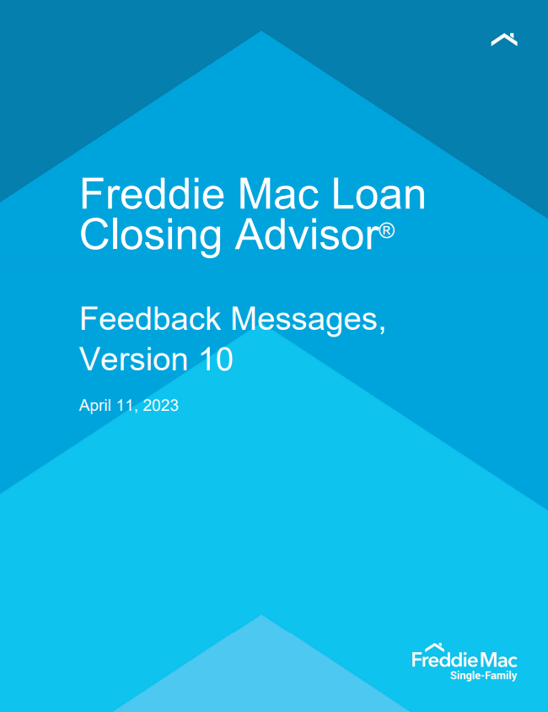
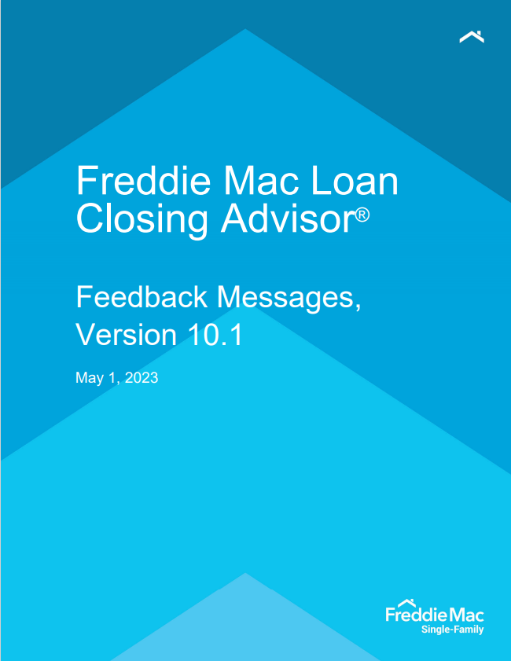

Freddie Mac Loan Closing Advisor® Critical Messages
Feedback Messages | December 6, 2021 (Updated)

